Puffy Patch Packets & Swatches
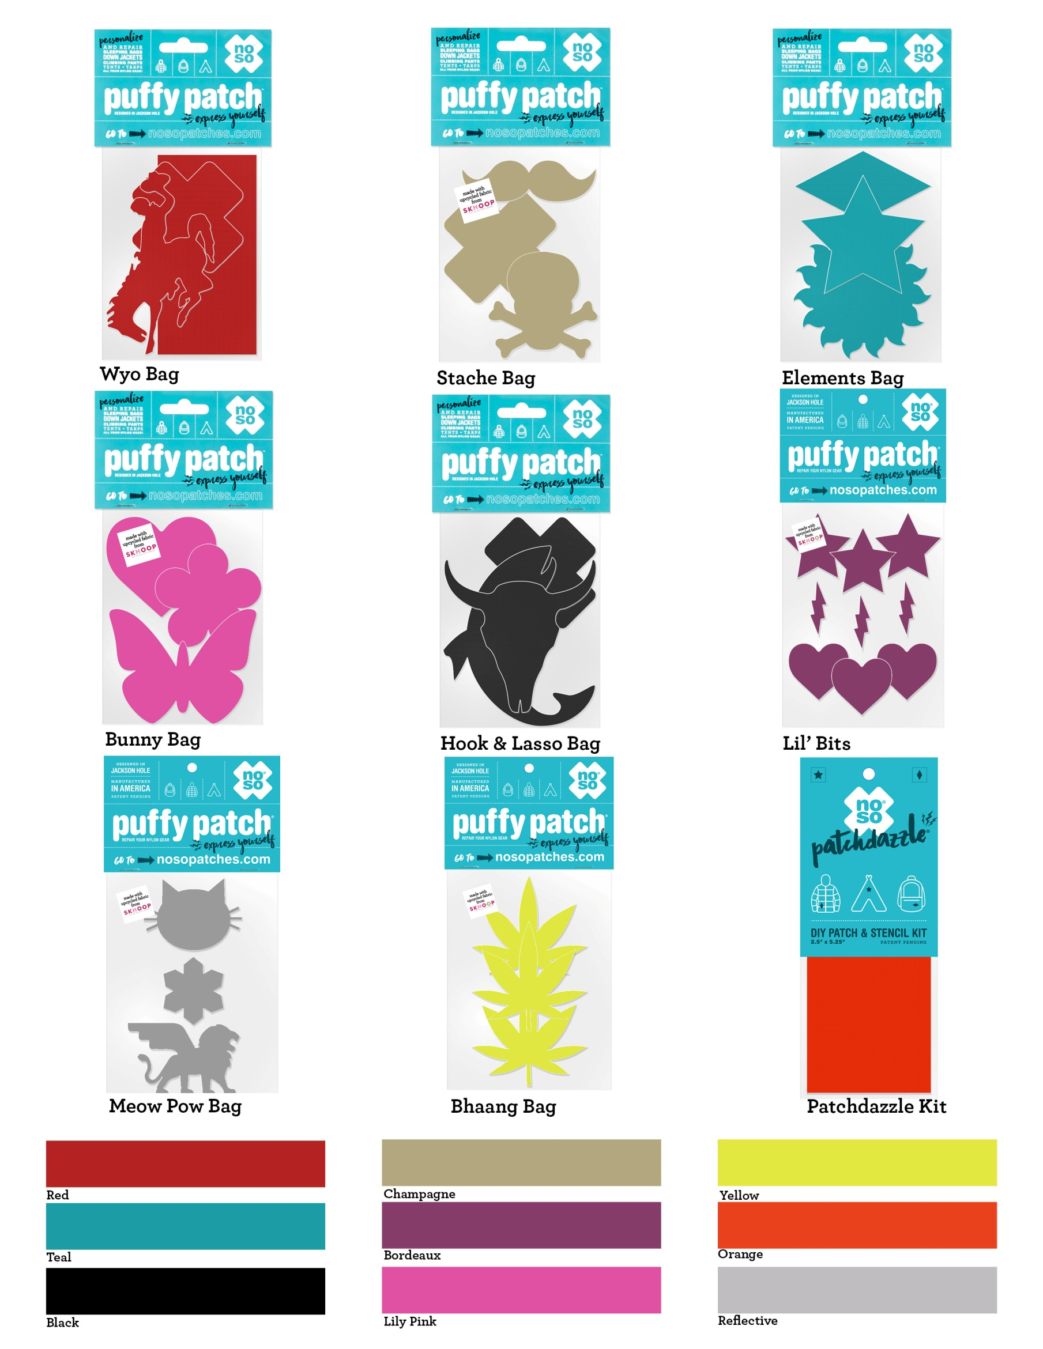
"The Best Piece of 2018 Gear" - Outside Magazine

